Estimating Cash Flows
Expected Growth rate

 |  |  | 2%
growth rate in EPS | 0.63196967677357670%

 |  |  |  |  |  |  | a

 | 2015 | 2016 | 2017 | 2018 | 2019
Equity reinvestment | -376.44 | -129.06 | 326.6 | 992.03 | -655.51
Net Income | 358.74 | -37.93 | -83.16 | 63.23 | 244.59
Equity Reinvestment rate | -105% | 340% | -393% | 1569% | -268% | 229%
Return on equity | 4.75%
Expected Growth in net income | 10.87%

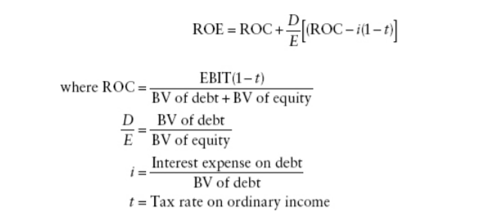

ROC | 2% | 4% | 5%
D/B | 1.3436840914 | 0.58057209825 | 0.53495400184
i | 0.095723297211 | 0.11083326811 | 0.08174188944
t | 371.94% | 65.69% | 39.11%
ROE | 0.3981 | 0.0439 | 0.0563 | 5.01%
Expected Growth in net income |  | 5.01%

Marginal Return On Equity
Change in Net Income | 181.36
Change in Book value of equity | 1663.41

Marginal Return On Equity | 11%

Addition to expected growth rate | 46%

Total Expected growth rate | 51.37%

Growth in Operating Income

Reinvestment rate | 0% | 0% | -89% | -176% | -66%
Return on capital |  |  | 3% | 6% | 5%
Growth rate _EBIT | -3%
Adjusted Growth rate _EBIT | 49%
Expected growth rate for next 9 years | 10.15%

